English Freq
English Language Letter Frequency

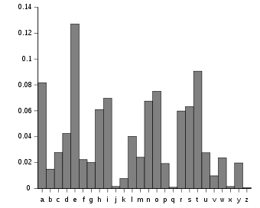
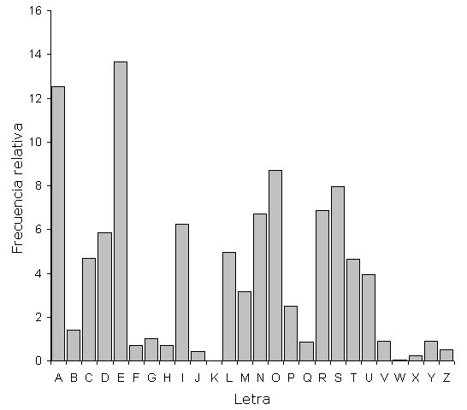
i | j(i) |  | English | Spanish
0 | 0.036464
1 | 0.042643
2 | 0.035786
3 | 0.036571
4 | 0.034821
5 | 0.028250
6 | 0.040607
7 | 0.035071
8 | 0.040893
9 | 0.036679
10 | 0.047036
11 | 0.041714
12 | 0.037536
13 | 0.044107
14 | 0.036464
15 | 0.031214
16 | 0.037286
17 | 0.041571
18 | 0.032821
19 | 0.041571
20 | 0.026607
21 | 0.025143
22 | 0.040714
23 | 0.069464
24 | 0.043536
25 | 0.034429

 |  | ETAOI NSHRD LUCMF WYPVB GKQJX Z |  | EAOSR NIDLC TUMPB GYVQF HZJXW K

